PC7 Price Configurator
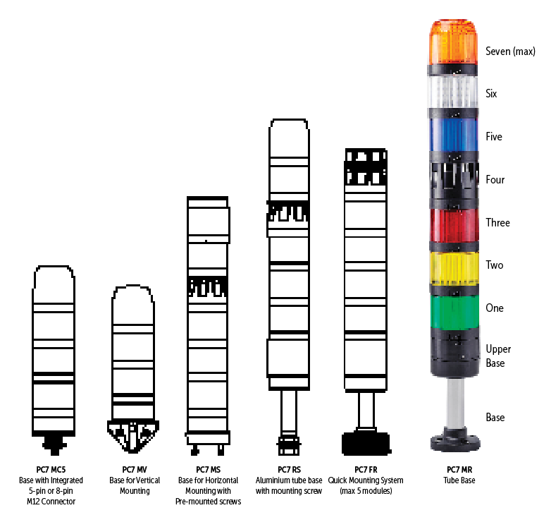
 |  |  | PC7 Tower Light Configurator
 |  |  | Pricing Effective June 6, 2023

Catalog Number = | PC7 –Black
List Price = | - |  |  |  | Level One | Level Two | Level Three | Level Four | Level Five | Level Six | Top Level
 |  | Base | Color | Voltage | D+E | D+E | D+E | D+E | D+E | D+E | D+E
 | PC7 – |  | Black

 |  |  |  |  |  |  |  |  | Components
Base
Color | Black
Voltage
Level 1
Level 2
Level 3
Level 4
Level 5
Level 6
Level 7
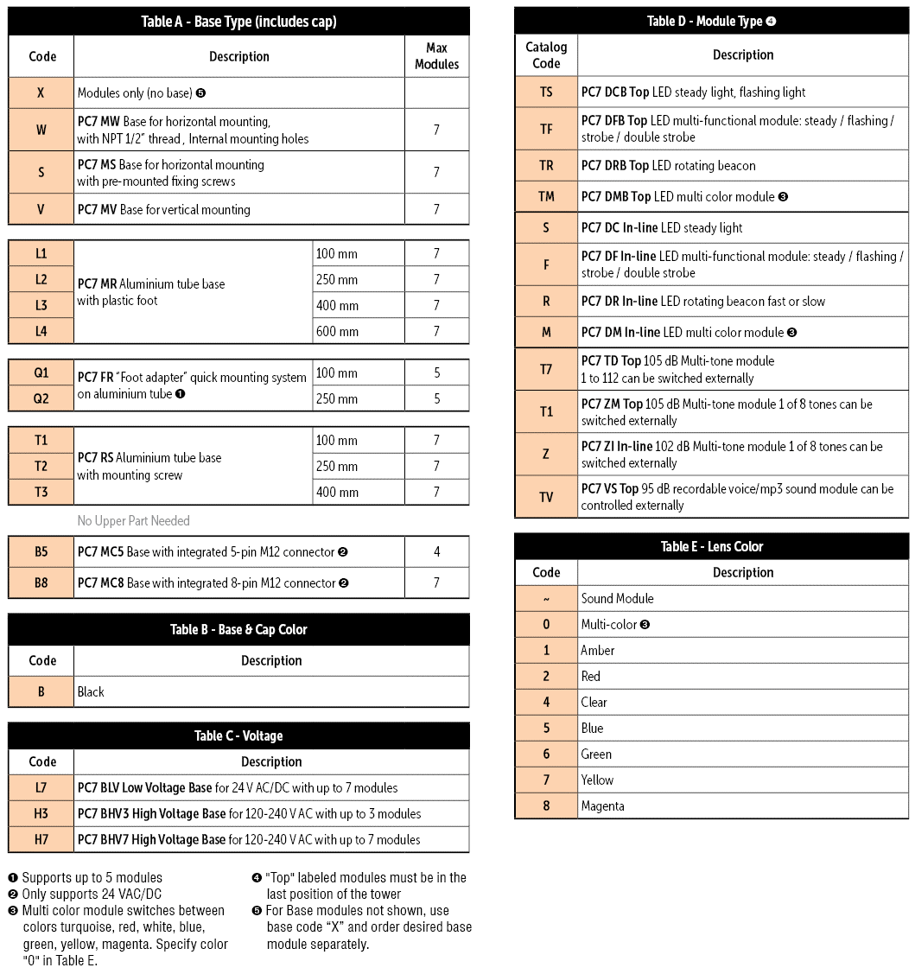

 |  |  |  |  |  |  |  |  |  |  |  | Ordering Instructions
 |  |  |  |  |  |  |  |  |  |  |  | 1) | Determine the number of levels (up to seven) required in the Warning Tower Light
 |  |  |  |  |  |  |  |  |  |  |  | 2) | Choose the Base required (Table A)
 |  |  |  |  |  |  |  |  |  |  |  | 3) | Choose Base & Cap color (Table B) and control voltage (Table C)
 |  |  |  |  |  |  |  |  |  |  |  | 4) | Choose Module Type (Table D) and Lens color (Table E) for up to seven levels until the entire catalog number is complete

