WLT50 Price Configurator
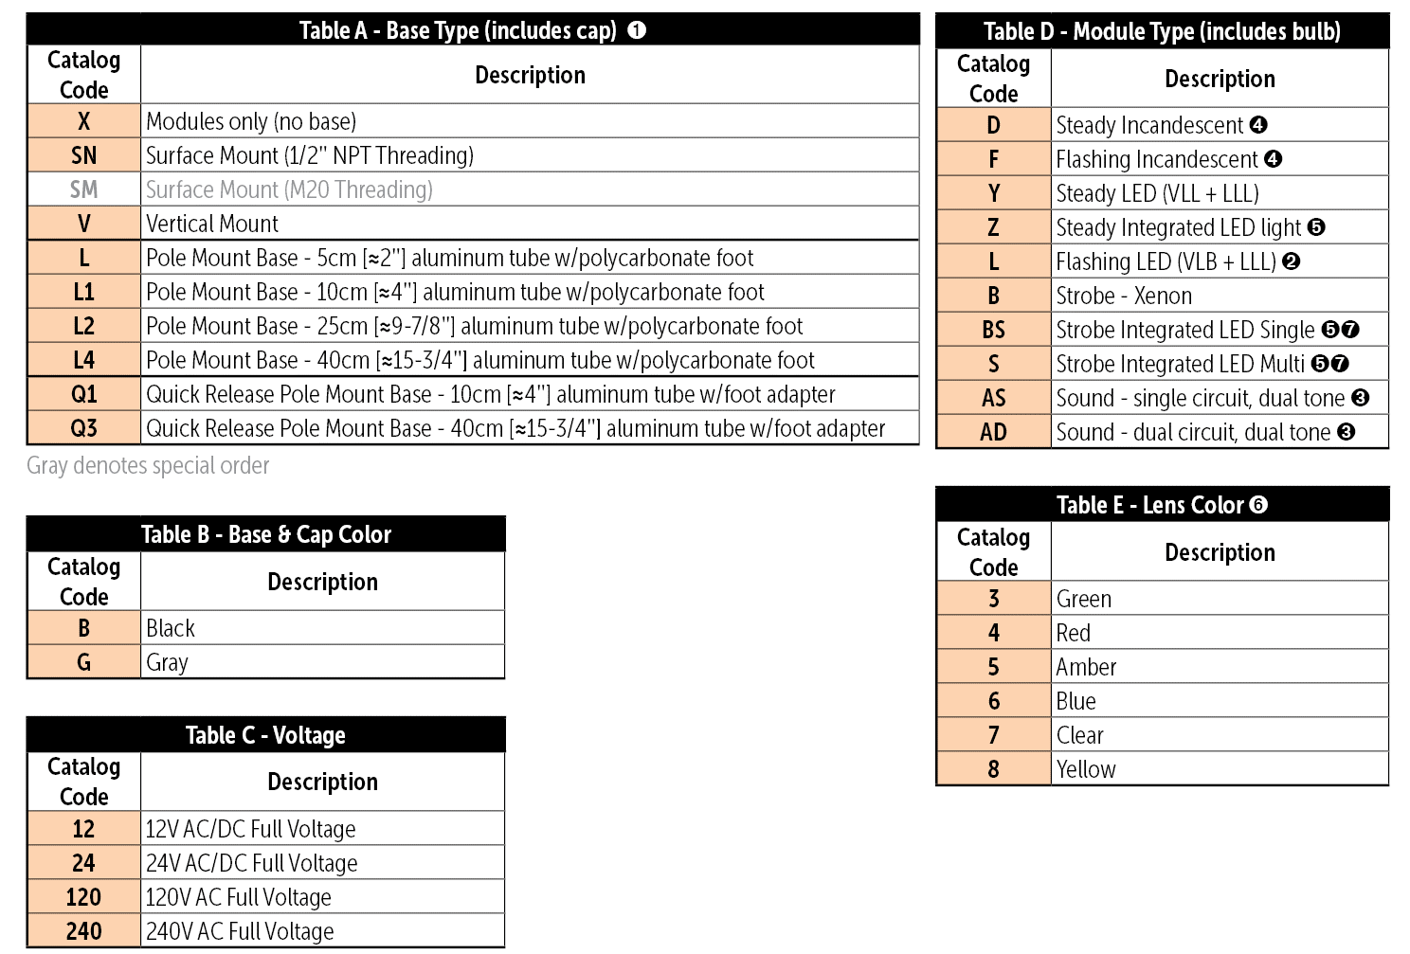
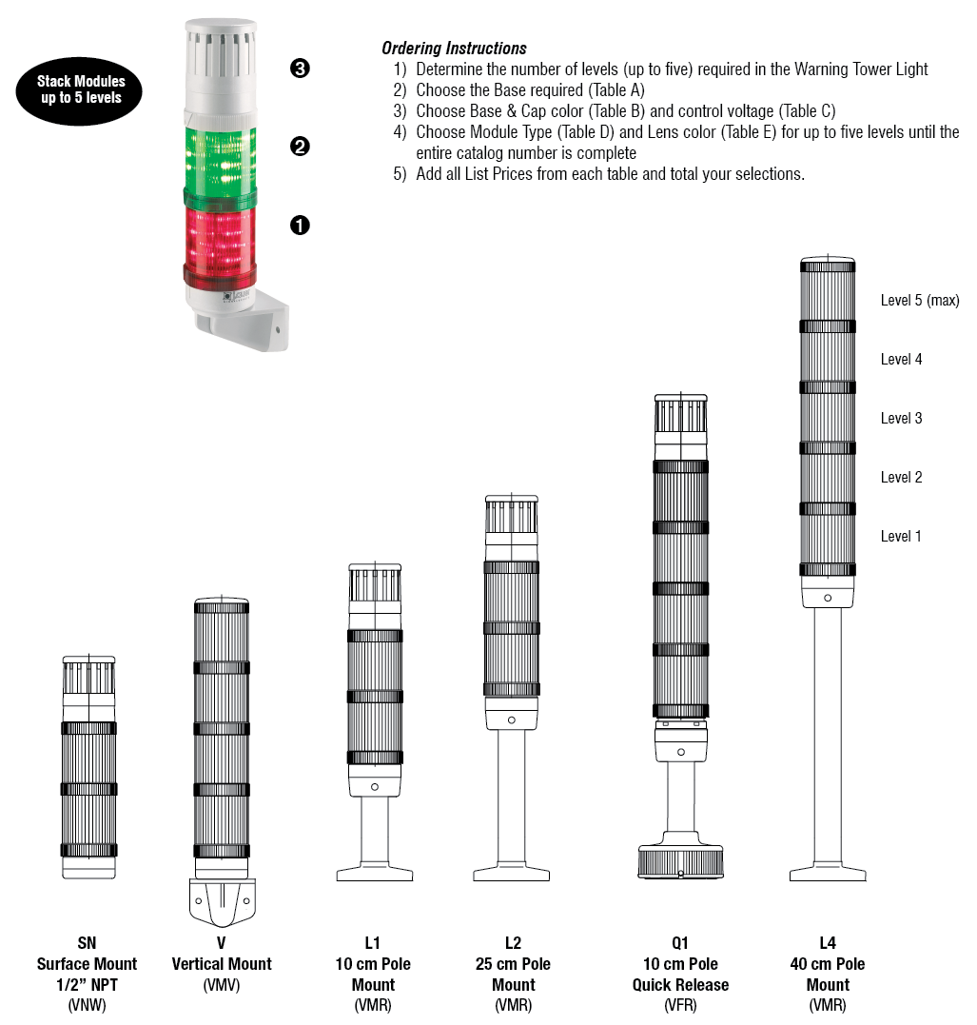
 | MS50 Tower Light Configurator
 |  |  | Pricing effective June 4, 2023

Catalog Number = | WTL50 –
List Price = | - |  |  |  | Level One | Level Two | Level Three | Level Four | Level Five
 |  | Base | Color | Voltage | D+E | D+E | D+E | D+E | D+E
 | WTL50 – |  |  |  |  |  |  |  |  | Sound modules must be in the last position

 |  |  |  |  |  |  | Components
Base
Color
Voltage |  |  |  |  |  |  |  |  | Bulbs (if included)
Level 1
Level 2
Level 3
Level 4
Level 5

